2.3.2.2 Registration
Suite name: Smoke test (build verification)

ID: | Priority: | Title: | Prerequirement: | Steps to reproduce: | Expected result: | Actual result: | Automated
1 | High | Registration page | Access the system as guest | 1. Navigate to: https://teodor.bg/ 2. From navigation bar, click on "ВХОД" button 3. Under "НОВИ КЛИЕНТИ", click on "РЕГИСТРАЦИЯ" button | Registration form opens. | TRUE | YES
2 | High | User registration | Access the system as guest | 1. Navigate to: https://teodor.bg/ 2. From navigation bar, click on "ВХОД" button 3. Under "НОВИ КЛИЕНТИ", click on "РЕГИСТРАЦИЯ" button 4. Fill with correct data all mandatory fields 5. Check all mandatory checkboxes 6. Click on "РЕГИСТРАЦИЯ" button | Registration is successful | TRUE
3 | High | User registration with duplicate data | Access the system as guest | 1. Navigate to: https://teodor.bg/ 2. From navigation bar, click on "ВХОД" button 3. Under "НОВИ КЛИЕНТИ", click on "РЕГИСТРАЦИЯ" button 4. Fill with valid and duplicate data all mandatory fields 5. Check all mandatory checkboxes 6. Click on "РЕГИСТРАЦИЯ" button | Error message for allready exist user account with this credentials | TRUE
4 | High | Forgotten password | Access the system as guest | 1. Navigate to: https://teodor.bg/ 2. From navigation bar, click on "ВХОД" button 3. Click on "Забравена парола" button 4. Fill mandatory field with correct data 5. Check mandatory checkbox 6. Click "НОВА ПАРОЛА" button | Message, notifies that a password change request is sended to the current email | TRUE
6 | High | Login the system with changed password | Access the system as guest | 1. Navigate to: https://teodor.bg/ 2. From navigation bar, click on "ВХОД" button 3. Click on "Забравена парола" button 4. Fill mandatory field with correct data 5. Check mandatory checkbox 6. Click "НОВА ПАРОЛА" button 7. Open new browser 8. Navigate go the site where it is specified to change the password 9. Enter valid data for username and password 10. Click "ВХОД" 11. Click on message from Teodor.bg 12. Click on "Задайте нова парола" button 13. Fill mandatory fields with new valid password 14. Click "НОВА ПАРОЛА"button 15. Fill mandatory fields with valid data and the changed password 16. Click "ВХОД" button | After the user logs in when click on the link from Teodor.bg to change the password, a window should be opened for entering a new password. After that, the message that the password has been changed is shown and the user successfully logs in with the new password. | TRUE
7 | Low | "Tab" keys switch from email to password field | Access the system as guest | 1. Navigate to: https://teodor.bg/ 2. From navigation bar, click on "ВХОД" button 3. Click on email field 4. Press "Tab" key | Successful change of fields after pressing a key from keyboard | TRUE
8 | Low | "Enter" keys to login | Access the system as guest | 1. Navigate to: https://teodor.bg/ 2. From navigation bar, click on "ВХОД" button 3. Enter valid email and password 4. Press "Tab" key 5. Press "Enter" key | User successfully login the system by clicking "Enter" key from keyboard | TRUE
9 | High | Invalid quantity of simbols "Парола" field | Access the system as guest | 1. Navigate to: https://teodor.bg/ 2. From navigation bar, click on "ВХОД" button 3. Click on "РЕГИСТРАЦИЯ" 4. Click on mandatory field "Парола" 5. Enter 3 simbols 6. Fill in all other mandatory fields with valid data 7. Check in all other checkboxes 8. Click "РЕГИСТРАЦИЯ" button | An error message appears for incorect data entry |  TRUE
10 | High | Invalid data "Email" field | Access the system as guest | 1. Navigate to: https://teodor.bg/ 2. From navigation bar, click on "ВХОД" button 3. Click on "РЕГИСТРАЦИЯ" 4. Click on mandatory field "Email" 5. Enter "asd@@@asd.com" text 6. Fill in all other mandatory fields with valid data 7. Check in all other checkboxes 8. Click "РЕГИСТРАЦИЯ" button | An error message appears for incorect data entry | TRUE
11 | High | Password same value | Access the system as guest | 1. Navigate to: https://teodor.bg/ 2. From navigation bar, click on "ВХОД" button 3. Click on "РЕГИСТРАЦИЯ" 4. Click on "Парола" field 5. Type 5 simbols 6. Click on "Повтори парола" field 7. Type 6 simbols 8. Fill in all other mandatory fields with valid data 9. Check in all other check boxes 10. Click "РЕГИСТРАЦИЯ" button | An error message appears for incorect data entry | TRUE

2.3.6 Shopping cart
Suite name: Smoke test (build verification)

ID: | Priority: | Title: | Prerequirement: | Steps to reproduce: | Expected result: | Actual result: | Automated
1 | High | Shopping cart icon | Login the system as registred user | 1. Navigate home page 2. From navigation bar, click on "Shopping cart" button (top right) | Redirect to /checkout/cart/ page, if cart is empty result should be: "Нямате добавени продукти във вашата количка Натиснете тук за да продължите с пазаруването." | TRUE | YES
3 | High | Shopping cart complete order | Login the system as registred user | 1. Navigate home page 2. Hover "ОБЛЕКЛО" from navigation bar 3. Click "Ризи" link 4. Click on first showed up product 5. Click random color 6. Click random size 7. Click on "ДОБАВИ В ПОРЪЧКА" 8. Hover Shopping cart button (navi.bar) 9. Click "КЪМ ЗАВЪРШВАНЕ" buttom 10. Click "НАПРЕД" button 11. Click "Наложен платеж" radio button 12. Click "ЗАВЪРШИ ПОРЪЧКАТА" button | After completing the order, following message should be displayed: "БЛАГОДАРИМ ВИ ЗА ВАШАТА ПОКУПКА!" Order number, nine simbols: "Вашата поръчка е с номер: xxxxxxxxx", "ПРОДЪЛЖИ С ПАЗАРУВАНЕТО" button | TRUE
4 | High | Add product to shopping cart | Login the system as registred user | 1. Navigate home page 2. Hover "ОБУВКИ" (navigation bar) 3. Click "Официални обувки" link 4. Click on first showed product, link 5. Click on random color, button 6. Click on random size, button 7. Click "ДОБАВИ В ПОРЪЧКА" button 8. Click "Shopping card" button | Message for successful added product in to the shopping cart with link to shopping cart page should be displayed. | TRUE | YES
5 | High | Delete product | Login the system as registred user | 1. Navigate home page 2. Hover "ОБУВКИ" (navigation bar) 3. Click on "Официални обувки" link 4. Click on first showed product 5. Click "ДОБАВИ" button 6. Click random color 7. Click random size 8. Click "ДОБАВИ В ПОРЪЧКА" 9. Hover shopping cart button 10. Click "Премахни" button 11. From popup window, click "OK" | Product is removed from the shopping cart, can make sure after visiting the page of shopping cart and comfirm that the product we selected is not there | TRUE
6 | High | Fast order valid data | Login the system as registred user | 1. Navigate home page 2. Hover "ОБУВКИ" (navigation bar) 3. Click on "Чехли" link 4. Hover first showed product 5. Click "ДОБАВИ" button 6. Click "БЪРЗА ПОРЪЧКА" button 7. Fill all mandatory fields with valid data 8. Check reCAPTCHA 9. Click "ПОРЪЧАЙ" button | Display message which notifies that the order has been accepted and the associate will contact with the customer. An inquiry link is also provided. | 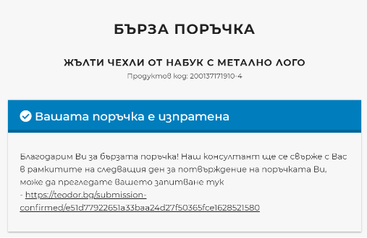 TRUE
7 | Medium | Fast order invalid data - email address | Login the system as registred user | 1. Navigate home page 2. Hover "ОБУВКИ" (navigation bar) 3. Click on "Чехли" link 4. Hover first showed product 5. Click "ДОБАВИ" button 6. Click "БЪРЗА ПОРЪЧКА" button 7. Fill all mandatory fields with valid data 8. Fill Имейл with invalid data 9. Check reCAPTCHA 10. Click "ПОРЪЧАЙ" button | An error message for invalid email address should be displayed | TRUE
8 | Medium | Inspect shopping cart | Login the system as registred user | 1. Navigate home page 2. Hover "ОБУВКИ" (navigation bar) 3. Click on "Чехли" link 4. Hover first showed product 5. Click "ДОБАВИ" button 6. Click random color 7. Click random size 8. Click "ДОБАВИ В ПОРЪЧКА" 9. Hover Shopping cart button (navi. bar) 10. Click "Виж количката" link | Redirect to https://teodor.bg/checkout/cart/ page, a shopping cart page. | TRUE
9 | Medium | Pick size error message | Login the system as registred user | 1. Navigate home page 2. Hover "ОБЛЕКЛО" (navigation bar) 3. Click on "Якета" link 4. Hover first showed product 5. Click "ДОБАВИ" button 6. Click "ДОБАВИ В ПОРЪЧКА" button | An error message should be displayed with an invition to choose size | TRUE
10 | Medium | Table with sizes | Login the system as registred user | 1. Navigate home page 2. Hover "ОБЛЕКЛО" (navigation bar) 3. Click on "Тениски" link 4. Hover first showed product 5. Click "ДОБАВИ" button 6. Click "Таблица с размери" button | Popup window, containing a table with the dimensions of all offered products | TRUE
11 | Medium | Manual getting size | Login the system as registred user | 1. Navigate home page 2. Hover "ОБЛЕКЛО" (navigation bar) 3. Click on "Тениски" link 4. Hover first showed product 5. Click "ДОБАВИ" button 6. Click "Таблица с размери" button 7. Click "Kак да вземем размерите си сами" link | Redirect to https://teodor.bg/tablitsa-s-razmeri Here are displayed every product sizes and instructions how to get ur size | TRUE
12 | High | Increase the amount of product | Login the system as registred user | 1. Navigate home page 2. Hover "ОБЛЕКЛО" (navigation bar) 3. Click on "Тениски" link 4. Hover first showed product 5. Click "ДОБАВИ" button 6. Click random color 7. Click random size 8. Click "ДОБАВИ В ПОРЪЧКА" 9. Click shopping cart button 10. Increase the quantity by Click on "+" button | The total amount must be equal to the sum of the unit product price of two products | TRUE
13 | High | Change product parameters | Login the system as registred user | 1. Navigate home page 2. Hover "ОБЛЕКЛО" (navigation bar) 3. Click on "Тениски" link 4. Hover first showed product 5. Click "ДОБАВИ" button 6. Click random color 7. Click random size 8. Click "ДОБАВИ В ПОРЪЧКА" 9. Click shopping cart button 10. Change size by clicking another random size button 11. Click "АКТУАЛИЗИРАЙ КОЛИЧКАТА" | The size of the product shoud be changed. And the shipping must be with the changed product size.
14 | High | New address delivery | Login the system as registred user | 1. Navigate home page 2. Hover "АКСЕСОАРИ" (navigation bar) 3. Click on "Вратовръзки" link 4. Hover first showed product 5. Click "ДОБАВИ" button 6. Click random color 8. Click "ДОБАВИ В ПОРЪЧКА" 9. Click shopping cart button 10. Click "КЪМ ЗАВЪРШВАНЕ" button 11. Click "+ НОВ АДРЕС" 12. Fill all mandatory fields with valid data 13. Click mandatory radio button 14. Click "ДОСТАВИ ДО ТОЗИ АДРЕС" button | A new column with new receiving address should be automatically added and marked for delivery | 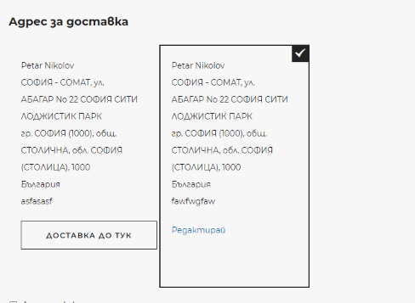 TRUE
15 | High | New address delivery invalid data | Login the system as registred user | 1. Navigate home page 2. Hover "АКСЕСОАРИ" (navigation bar) 3. Click on "Вратовръзки" link 4. Hover first showed product 5. Click "ДОБАВИ" button 6. Click random color 8. Click "ДОБАВИ В ПОРЪЧКА" 9. Click shopping cart button 10. Click "КЪМ ЗАВЪРШВАНЕ" button 11. Click "+ НОВ АДРЕС" 12. Fill all mandatory fields except "Телефон", "Град", "Пощенски код" 13. Click mandatory radio button 14. Click "ДОСТАВИ ДО ТОЗИ АДРЕС" button | An error message for invalid "Телефон", "Град", "Пощенски код" should appear, with an invition to fill in with valid data | 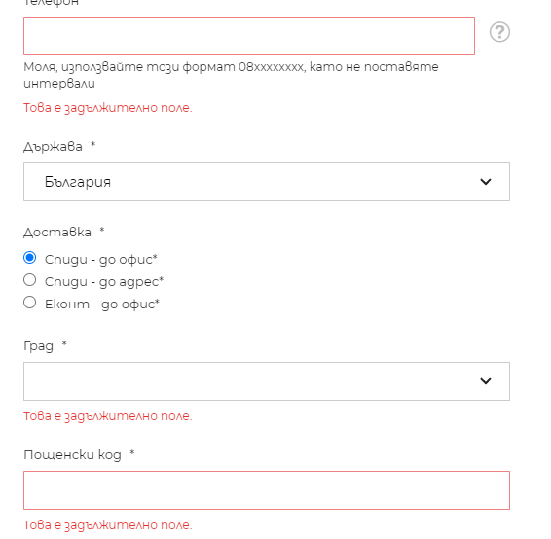 TRUE
16 | High | Invoice data Invalid credentials | Login the system as registred user | 1. Navigate home page 2. Hover "АКСЕСОАРИ" (navigation bar) 3. Click on "Вратовръзки" link 4. Hover first showed product 5. Click "ДОБАВИ" button 6. Click random color 8. Click "ДОБАВИ В ПОРЪЧКА" 9. Click shopping cart button 10. Click "КЪМ ЗАВЪРШВАНЕ" button 11. Click checkbox "Данни за фактура" 12. Leave all mandatory fields empty 13. Click "НАПРЕД" button | An error message should be displayed with an invition to choose size | 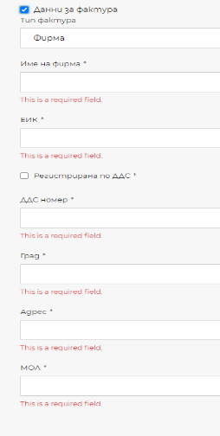 TRUE
17 | High | Invoice data valid credentials | Login the system as registred user | 1. Navigate home page 2. Hover "АКСЕСОАРИ" (navigation bar) 3. Click on "Вратовръзки" link 4. Hover first showed product 5. Click "ДОБАВИ" button 6. Click random color 8. Click "ДОБАВИ В ПОРЪЧКА" 9. Click shopping cart button 10. Click "КЪМ ЗАВЪРШВАНЕ" button 11. Click checkbox "Данни за фактура" 12. Fill all mandatory fields with valid data 13. Click "НАПРЕД" button | Redirect to https://teodor.bg/checkout/#payment page, from where the method of payment is chosen and the order is confirmed | TRUE

